Sheet1
Test Case ID | Test Case Description | Negative/Positive | Precondition | TC Steps # | Tast Case Steps | Expected Result | Actual Result | Remark (Tester)
TC01 | As a shipper, I can save a product review by filling in all the fields provided on the form | Positive | Acses website technical-test-qa | 1 | Fill textfield Full Name | System will display on a new page "Thank you! Your response has been sent" | The system has shown on the new page that the product review has the status "Your response was submitted" | Pass
 |  |  |  | 2 | Fill textfield Phone Number
 |  |  |  | 3 | Select the option as “Affordable” and proceed accordingly.
 |  |  |  | 4 | Select the option as “Expensive” and proceed accordingly.
 |  |  |  | 5 | Select "Other" and fill in the fields
 |  |  |  | 6 | Select rate by clicking on the stars in the range 1 to 5
 |  |  |  | 7 | Enters a valid date in the format "YYYY-MM-DD," for example, "11/21/2023."
 |  |  |  | 8 | Select button Submit
TC02 | As a shipper, I cannot save a product review by not filling in the Full Name field on the form | Negatve | Acses website technical-test-qa | 1 | Do not fill in the Full name field | System will show allert "1 question(s) need to be completed before submitting: Question 1" | System has displayed a warning "1 question must be completed before submission: Question 1" | Pass
 |  |  |  | 2 | Fill textfield Phone Number
 |  |  |  | 3 | Select the option as “Affordable” and proceed accordingly.
 |  |  |  | 4 | Select the option as “Expensive” and proceed accordingly.
 |  |  |  | 5 | Select "Other" and fill in the fields
 |  |  |  | 6 | Select rate by clicking on the stars in the range 1 to 5
 |  |  |  | 7 | Enters a valid date in the format "YYYY-MM-DD," for example, "11/21/2023."
 |  |  |  | 8 | Select button Submit
TC03 | As a shipper, I cannot save a product review by not filling in the Phone Number field on the form | Negatve | Acses website technical-test-qa | 1 | Fill textfield Full Name | System will show allert "1 question(s) need to be completed before submitting: Question 2" | System has displayed a warning "1 question must be completed before submission: Question 2" | Pass
 |  |  |  | 2 | Do not fill in the Phone Number text field
 |  |  |  | 3 | Select the option as “Affordable” and proceed accordingly.
 |  |  |  | 4 | Select the option as “Expensive” and proceed accordingly.
 |  |  |  | 5 | Select "Other" and fill in the fields
 |  |  |  | 6 | Select rate by clicking on the stars in the range 1 to 5
 |  |  |  | 7 | Enters a valid date in the format "YYYY-MM-DD," for example, "11/21/2023."
 |  |  |  | 8 | Select button Submit
TC04 | As a shipper, I cannot save a product review by not filling in the option on the form | Positive | Acses website technical-test-qa | 1 | Fill textfield Full Name | System will show allert "1 question(s) need to be completed before submitting: Question 3" | System has displayed a warning "1 question must be completed before submission: Question 3" | Pass
 |  |  |  | 2 | Fill textfield Phone Number
 |  |  |  | 3 | Do not select the option as “Affordable” and proceed as needed.
 |  |  |  | 4 | Do not select the option as “Expensive” and proceed as needed.
 |  |  |  | 5 | Do not select the option as "Other" and fill in the fields
 |  |  |  | 6 | Select rate by clicking on the stars in the range 1 to 5
 |  |  |  | 7 | Enters a valid date in the format "YYYY-MM-DD," for example, "11/21/2023."
 |  |  |  | 8 | Select button Submit
TC05 | As a sender, I cannot save a product review if I select other but do not fill in the fields provided on the form | Negatve | Acses website technical-test-qa | 1 | Fill textfield Full Name | System will show allert "1 question(s) need to be completed before submitting: Question 3" | System has displayed a warning "1 question must be completed before submission: Question 3" | Pass
 |  |  |  | 2 | Fill textfield Phone Number
 |  |  |  | 3 | Do not select the option as “Affordable” and proceed as needed.
 |  |  |  | 4 | Do not select the option as “Expensive” and proceed as needed.
 |  |  |  | 5 | Select "Other" and don't fill in the fields
 |  |  |  | 6 | Select rate by clicking on the stars in the range 1 to 5
 |  |  |  | 7 | Enters a valid date in the format "YYYY-MM-DD," for example, "11/21/2023."
 |  |  |  | 8 | Select button Submit
TC06 | As a shipper, I cannot save a product review by not filling in the rate field on the form | Negatve | Acses website technical-test-qa | 1 | Fill textfield Full Name | System will show allert "1 question(s) need to be completed before submitting: Question 4" | System has displayed a warning "1 question must be completed before submission: Question 4" | Pass
 |  |  |  | 2 | Fill textfield Phone Number
 |  |  |  | 3 | Select the option as “Affordable” and proceed accordingly.
 |  |  |  | 4 | Select the option as “Expensive” and proceed accordingly.
 |  |  |  | 5 | Select "Other" and fill in the fields
 |  |  |  | 6 | Do not Select rate by clicking on the stars in the range 1 to 5
 |  |  |  | 7 | Enters a valid date in the format "YYYY-MM-DD," for example, "11/21/2023."
 |  |  |  | 8 | Select button Submit
TC07 | As a shipper, I cannot save a product review by not filling in the date field on the form | Negative | Acses website technical-test-qa | 1 | Fill textfield Full Name | System will show allert "1 question(s) need to be completed before submitting: Question 5" | System has displayed a warning "1 question must be completed before submission: Question 5" | Pass
 |  |  |  | 2 | Fill textfield Phone Number
 |  |  |  | 3 | Select the option as “Affordable” and proceed accordingly.
 |  |  |  | 4 | Select the option as “Expensive” and proceed accordingly.
 |  |  |  | 5 | Select "Other" and fill in the fields
 |  |  |  | 6 | Select rate by clicking on the stars in the range 1 to 5
 |  |  |  | 7 | Does not enter a valid date in "YYYY-MM-DD" format, for example "11/21/2023".
 |  |  |  | 8 | Select button Submit
TC08 | As a shipper, I cannot save a product review if I do not fill in all the fields on the form | Negative | Acses website technical-test-qa | 1 | Do not fill in the Full name field | System will show allert "1 question(s) need to be completed before submitting: Question 1, Question 2, Question 3, Question 4, Question 5" | System has displayed a warning "1 question must be completed before submission: Question 1, Question 2, Question 3, Question 4, Question 5" | Pass
 |  |  |  | 2 | Do not Fill textfield Phone Number
 |  |  |  | 3 | Do not select the option as “Affordable” and proceed as needed.
 |  |  |  | 4 | Do not select the option as “Expensive” and proceed as needed.
 |  |  |  | 5 | Do not select the option as "Other" and fill in the fields
 |  |  |  | 6 | Do not Select rate by clicking on the stars in the range 1 to 5
 |  |  |  | 7 | Does not enter a valid date in "YYYY-MM-DD" format, for example "11/21/2023".
 |  |  |  | 8 | Select button Submit
TC09 | As a sender, I can Report abuse by filling in all the columns provided on the form | Positive | 1. Acses website technical-test-qa 2. Click menu Report Abuse | 1 | Select the Phishing Option on the question What violations are you reporting? | System will display on a new page "Thanks! Your report was submitted" | The system has shown on the new page that the product review has the status "Your report has been sent" | pass
 |  |  |  | 2 | Select button Submit
TC10 | As a shipper, I can Report abuse by Other in all the columns provided on the form | Positive | 1. Acses website technical-test-qa 2. Click menu Report Abuse | 1 | Select the Copyright infringement Option on the question What violations are you reporting? | System will display on a new page "Thanks! Your report was submitted" | The system has shown on the new page that the product review has the status "Your report has been sent" | pass
 |  |  |  | 2 | Type comments in the Comments column
 |  |  |  | 3 | Select button Submit
TC11 | As a sender, I can save an Abuse Report if I don't fill in all the fields on the form | Negative | 1. Acses website technical-test-qa 2. Click menu Report Abuse | 1 | Do not fill in any fields on the form | The system will display an alert select option and comments | The system has shown on the new page that the product review has the status "Your report has been sent" | pass
 |  |  |  | 2 | Select button Submit |  |  |  | As a sender, I can save an Abuse Report if I don't fill in all the fields on the form
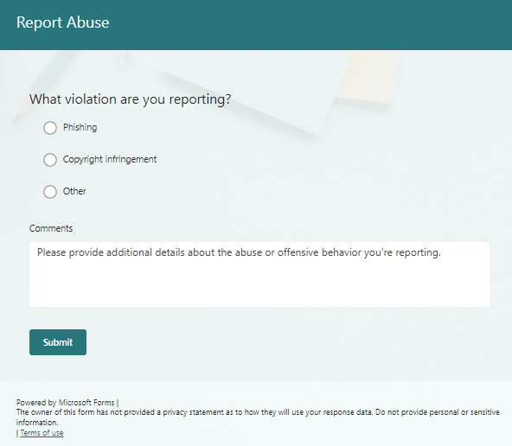

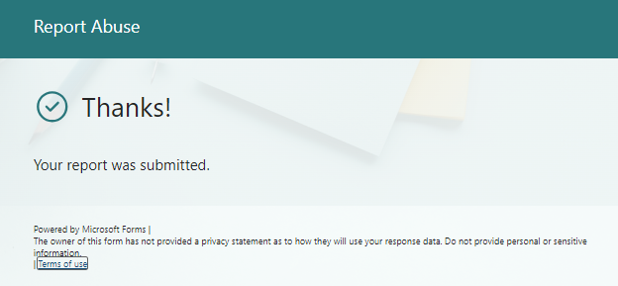
 |  |  |  |  |  |  |  |  | The system has shown on the new page that the product review has the status "Your report has been sent"

 |  |  |  |  |  |  |  |  | The impact of this error is that users will not provide or simply save abuse reports

